Aluminum internal structure
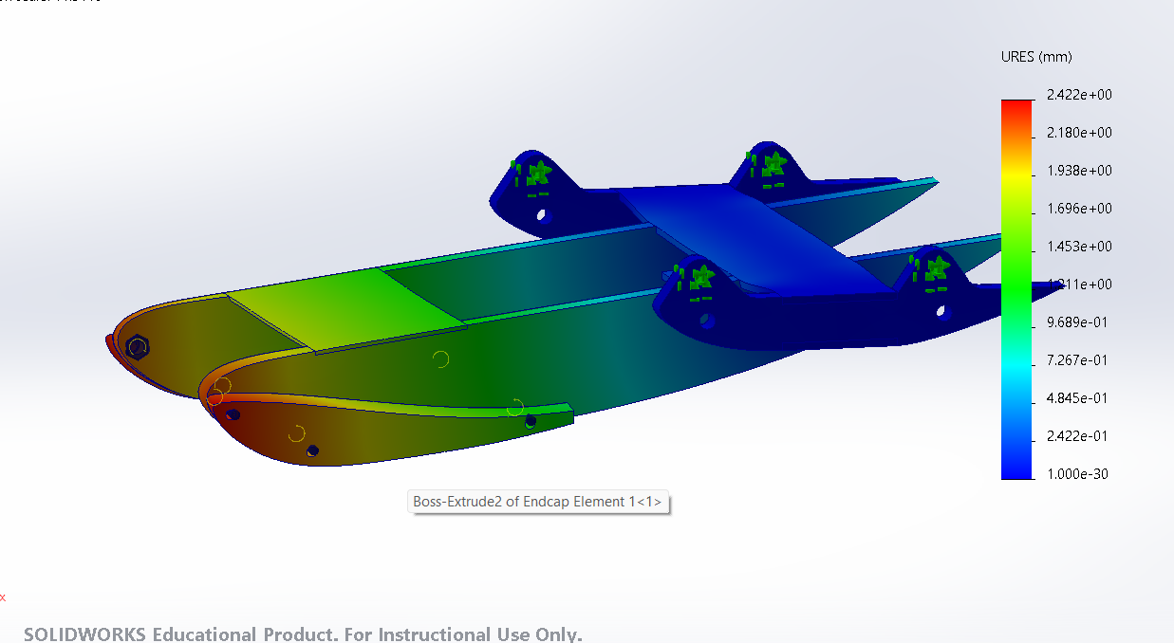
 | Displacement | Mass
Larger Top Brace | OG | 468.34
 | .3 mm | 427.58
 | .375 mm | 410.71
 | .4 mm | 397.55

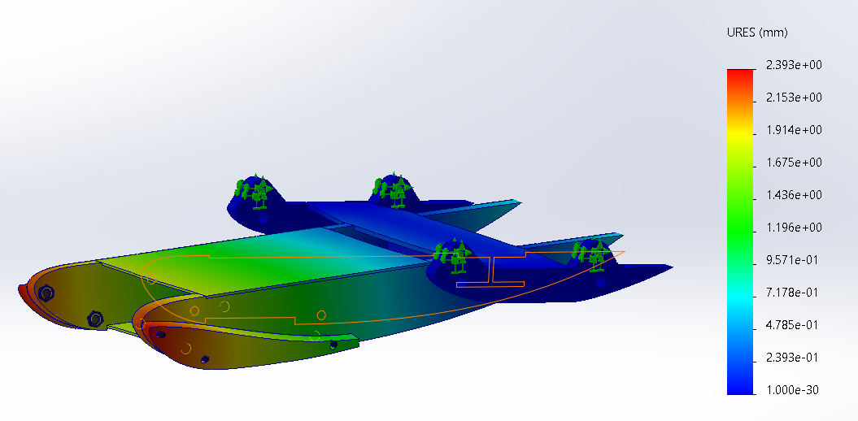
Rectangular Tube
Continued

